Read Me
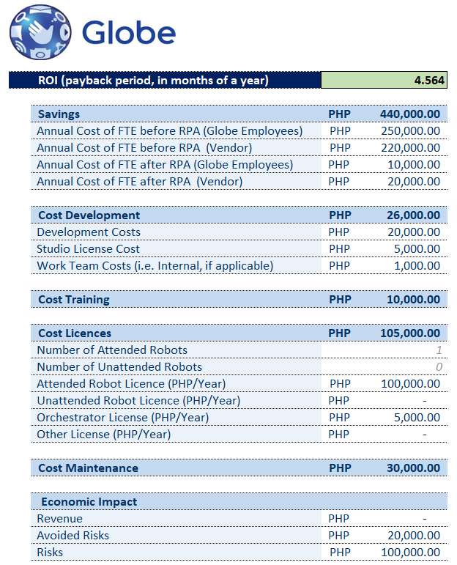
1 | Go to the "Savings" sheet, and enter the related annual cost.
 | 1.1 | Enter the annual costs for both Globe Employee and Vendoer Employee before the implementation of RPA. The cost should be based on the time spent doing the process/task.

 | 1.2 | Enter the annual costs for both Globe Employee and Vendoer Employee after the implementation of RPA. The cost should be based on the time spent doing the process/task.

 | 1.3 | Both internal and external FTE savings will be computed.

 | 1.4 | The total amount of FTE savings will be computed.

2 | Go to the "Development" sheet, and enter the development and work team costs.
 | Costing should be aligned with the providers.

3 | Go to the "Training" sheet, and enter the training cost. These are necessary trainings due to changes in the process.

4 | Go to the "Licenses" sheet, and enter the number of robots and annual license cost. Number of license should be based on the formula set in the guidelines.
 | Costing of the licenses should be aligned with the providers.

5 | Go to the "Maintenance" sheet, and enter the maintenance cost. (standardized costs from the respective department)
 | Costing of the licenses should be aligned with the providers.

6 | Go to the "Economic Impact" sheet, and enter the revenue, avoided risks and risks, if any.

7 | Go to the "ROI" sheet. The ROI will be computed based on the savings, costs and economic impact.

